Appendix A2
Appendix A2

Table 1. Mineral assemblages of metapelitic rocks from the area of the Otanmäki-Kuluntalahti nappe
Sample | Rock type | Location | Northing | Easting | Quartz | Biotite | Plagioclase | Garnet | Grunerite | Staurolite | Fibrolite | Chlorite | Muscovite | K-feldspar | Ilmenite | Hematite | Magnetite | Tourmaline | Apatite | Zircon | Graphite
AJU-1985-76.1 | Garnet grunerite mica schist | Central segment area | 7110480 | 3533720 | X | X | X | X | X |  |  |  |  |  |  |  | x | x | x | x
AJU-1985-95.1 | Garnet grunerite mica schist | Central segment area | 7110410 | 3537070 | X | X | X | X | X |  |  |  |  |  | x |  |  |  | x | x
210-2-ATK-06 | Garnet staurolite mica schist | Western segment | 7114309 | 3503285 | X | X | X | X |  | X | ? | X |  |  | x | x |  | x | x | x
206-1-ATK-06 | Garnet mica schist | Western segment | 7114337 | 3503098 | X | X |  | X |  |  |  |  | X |  |  |  |  | x |  |  | x
ATK-2016-758.1 | Mica gneiss | Western segment | 7114948 | 3502333 | X | X | X | x |  |  |  |  |  |  |  |  | X |  | x | x
KK-R6-107.95m | Garnet sillimanite mica schist | Western segment | 7114530 | 3501300 | X | X | X | X |  |  | X |  | X |  |  |  | x | x |  | x
KA-R3-52.34m | Garnet biotite quartz schist | Western segment | 7114987 | 3501829 | X | X | x | X |  |  | ? |  | x | x |  |  |  | x | x | x
JK-R3-109.79m | Garnet sillimanite mica gneiss | Western segment | 7114324 | 3499260 | X | X | X |  |  |  | X |  | X |  |  |  | x | x | x
KK-R6-171.40m | Garnet sillimanite mica schist | Western segment | 7114530 | 3501300 | X | X | x | X |  |  | X |  |  |  | x |  |  |  | x | x
X = major rock forming mineral, x = minor mineral, ? = unconfirmed mineral. Coordinates in KKJ-3/Finland uniform coordinate system.

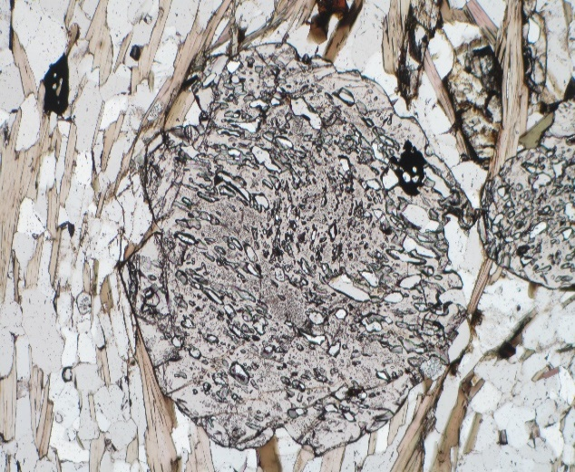
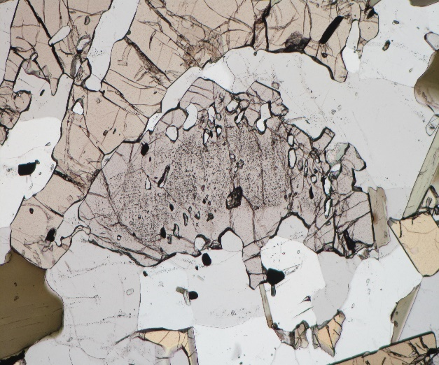
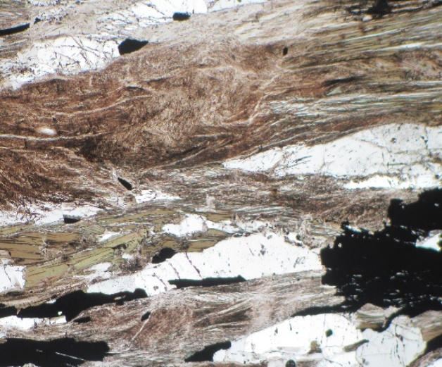
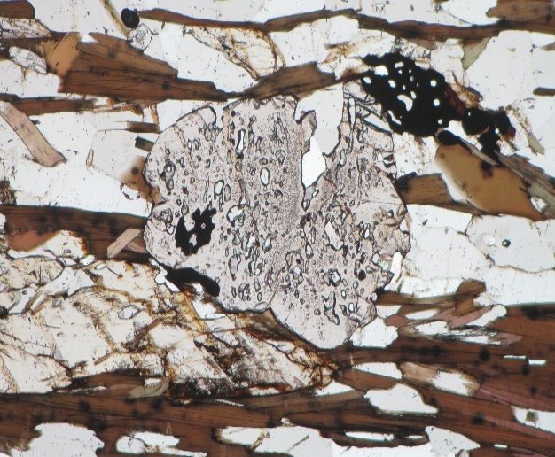

Fbr
Str

Grt
Grt
Grt
Gru

2.5 mm
2.5 mm
2.5 mm
2.5 mm

 |  |  |  | Garnet porphyroblast in metapelite (western segment) (PPL) |  |  |  | Garnet and staurolite porphyroblasts in metapelite (western segment) (PPL) |  |  |  |  | Sillimanite (fibrolite) growth over biotite, (western segment) (PPL) |  |  |  |  | Garnet and grunerite porphyroblasts in metapelite (central segment area) (PPL)

